Linux Server
Infrastructure Security Testing Checklist
Pentester: IT Security IP/URL: 192.168.23.72 Date: 2026-06-09 Scope: Infrastructure

No | Test Name | References | Objectives | Tools | Result | Evidence / Finding | Technical Notes | Remediation
1 | Network Discovery & Asset Host Identification | CIS 1.2: Address Unauthorized Assets | Identify all active hosts, servers, and network devices within the target scope to ensure no unauthorized assets exist. | Nmap, Masscan, Angry IP Scanner, Amass, Subfinder, Shodan, WHOIS | ✅ PASS | 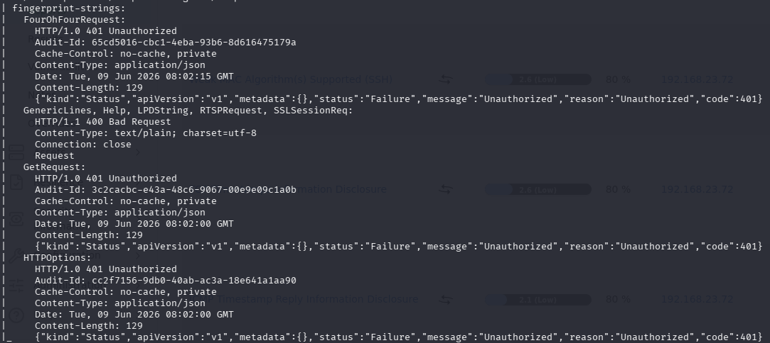
2 | Service Enumeration & Banner Grabbing | CIS 4.1: Establish and Maintain a Secure Configuration Process | Identify the exact Operating System versions and specific application versions running on open ports to look for historical vulnerabilities. | Netcat, Nmap (-sV -O), Nmap Scripting Engine (NSE) | ❌ FAIL |  | Turn off version server
3 | Default Configuration & Web Admin Probing | CIS 4.7: Manage Default Accounts | Search for exposed administrative interfaces (e.g., Tomcat Manager, Jenkins, router panels) using stock settings. | Nikto, Gobuster, Dirsearch |  | Testing Scope Limitations & Remaining Risks | Due to compressed production deployment timelines and resource availability constraints, certain application segments were excluded from the active execution cycle of this testing phase.
4 | Firewall & ACL Rule Evasion Testing | CIS 4.4: Implement and Manage Firewall/Network Security Controls | Verify if firewall filtering rules can be bypassed or spoofed using fragmented packets or specific source ports. | Nmap, Firewalk, Scapy | ❌ FAIL |  | Turn on firewall
5 | Weak/Default Credential Brute-Forcing | CIS 5.1: Establish and Maintain an Inventory of Authentication Systems | Test network services (SSH, FTP, RDP, VNC) against default, weak, or leaked credentials. | Hydra, Medusa, Ncrack, Crowbar |  | Testing Scope Limitations & Remaining Risks | Due to compressed production deployment timelines and resource availability constraints, certain application segments were excluded from the active execution cycle of this testing phase.
6 | System Patching & EOL (End of Live) Assessment | CIS 7.1: Establish and Maintain a Vulnerability Management Process | Check for missing security updates, kernel vulnerabilities, and ensure Ubuntu Pro ESM (if applicable) is tracking patches. | apt list --upgradable, unattended-upgrades --dry-run, LinEnum, Ubuntu OVAL | ✅ PASS |  | Ubuntu server 24.04 dikategorikan aman, tidak ditemukan CVE apapun
7 | Automated Infrastructure Assessment | CIS 7.3: Perform Automated Vulnerability Scans | Run deep-dive automated scans to cross-reference system states with current known CVE databases, unpatched systems, and architectural misconfigurations. | Nessus, OpenVAS, Qualys Guard, Rapid7 InsighhtVM, OpenSCAP | ⚠️ WARNING | OpenVas | https://docs.google.com/document/d/1kPh9y1CZiLGDRskCpLdKj9e_AMqko0D9/edit?usp=sharing&ouid=104707010513947651417&rtpof=true&sd=true
8 | Patch Management & Exploit Verification | CIS 7.4: Perform Automated Vulnerability Remediation | Safely attempt to exploit critical identified vulnerabilities (e.g., Remote Code Execution) to confirm true positives. | Metasploit Framework, Searchsploit, Exploit-DB | ➖ N/A | Not applicable
9 | Container Daemon & Socket Security | CIS 4.1: Secure Configuration Process | Test if the Docker socket (/var/run/docker.sock) is writable by non-root users or exposed to the network. | docker -H tcp://[IP]:2375 info, deepce.sh | ➖ N/A | Not applicable
10 | Container Image Scanning | OWASP Top 10 Kubernetes (K02: Misconfiguration) | Scan base container images in the registry for known CVEs before deployment to production. | Trivy, Clair, Anchore Engine | ⚠️ WARNING | Front-end Back-end | https://docs.google.com/document/d/1kPh9y1CZiLGDRskCpLdKj9e_AMqko0D9/edit?usp=sharing&ouid=104707010513947651417&rtpof=true&sd=true

📊 ASSESSMENT SUMMARY
 |  |  | Metric | Count
 |  |  | Total Assessed | 8
 |  |  | ✅ PASS | 2
 |  |  | ❌ FAIL | 2
 |  |  | ⚠️ WARNING | 2
 |  |  | ➖ N/A | 2
 |  |  | Compliance % | 16.7%

Generated: 2026-03-30 11:21 | Security Hardening Checklist v1.0 | Internal Use Only — Confidential

Web Application
Web Application Security Testing Checklist
Pentester: IT Security IP/URL: 192.168.23.72 Date: 2026-06-09 Date: 2026-03-30 Scope: Web Application

No | Test Name | References | Objectives | Tools | Result | Evidence / Finding | Technical Notes | Remediation
1 | Broken Access Control Testing | A01:2025 | Verify that users cannot access resources or perform actions outside their intended permissions. Test for Horizontal (other users) and Vertical (admin functions) privilege escalation, as well as Bypassing Access Control checks by modifying URLs or API requests. | OWASP ZAP, Burp Suite (Autorize extension), Caido, Postman | ⚠️ WARNING | Testing Scope Limitations & Remaining Risks | Due to compressed production deployment timelines and resource availability constraints, certain application segments were excluded from the active execution cycle of this testing phase.
2 | Security Misconfiguration Audit | A02:2025 | Ensure all servers, frameworks, and cloud storage integrations are securely configured. Test for default credentials, unnecessary enabled features/services, missing security headers (e.g., CSP, HSTS), and overly verbose error pages. | Nuclei, Nikto, Nmap, Nessus, Shodan | ⚠️ WARNING | 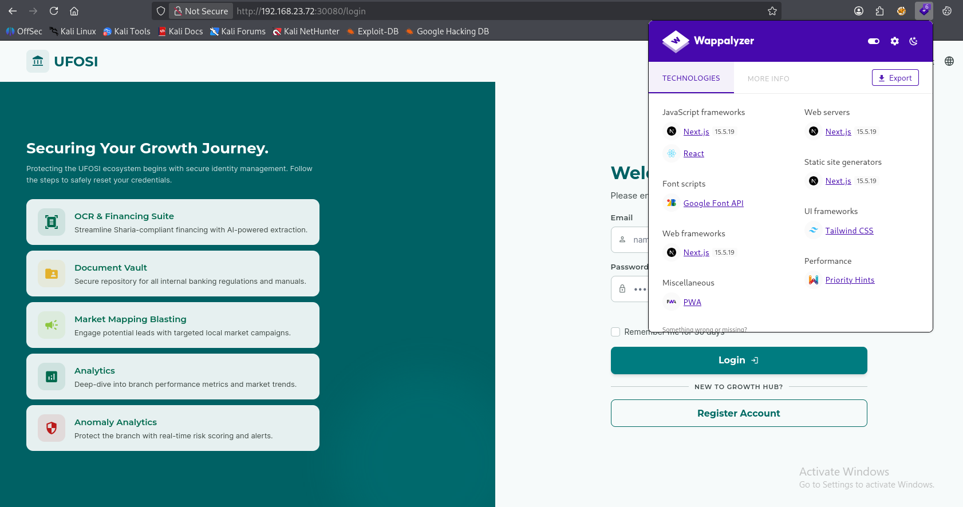 | Must hide Next.js version
3 | Software Supply Chain Assessment | A03:2025 | Identify and evaluate third-party components, libraries, and dependencies for known vulnerabilities. Validate the integrity of the build pipeline and base container images. | OWASP Dependency-Check, Snyk, Trivy, GitHub Dependabot | ❌ FAIL | FRONT END BACK END | https://docs.google.com/document/d/1kPh9y1CZiLGDRskCpLdKj9e_AMqko0D9/edit?usp=sharing&ouid=104707010513947651417&rtpof=true&sd=true
4 | Cryptographic Failures Verification | A04:2025 | Verify the protection of sensitive data in transit and at rest. Test for weak/deprecated encryption algorithms (like MD5 or SHA1), improper key management, and insecure TLS configurations. | testssl.sh, SSL Labs Server Test, Hashcat | ⚠️ WARNING | 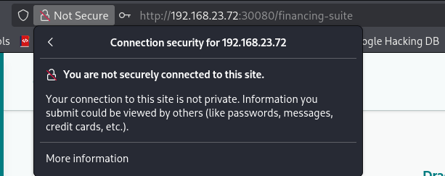 | Must be use https, not http
5 | Injection Testing | A05:2025 | Confirm that user-supplied data is properly filtered, sanitized, or parameterized before processed. Test for SQL Injection (SQLi), Cross-Site Scripting (XSS), Command Injection, and Path Traversal. | SQLmap, OWASP ZAP, Burp Suite, Caido, XSStrike | ⚠️ WARNING | Testing Scope Limitations & Remaining Risks | Due to compressed production deployment timelines and resource availability constraints, certain application segments were excluded from the active execution cycle of this testing phase.
6 | Insecure Design Review | A06:2025 | Evaluate the application's architectural design against known threat vectors. Focus on validating business logic flows, testing for a lack of rate limiting on sensitive features, and conducting threat modeling. | OWASP Threat Dragon, IriusRisk, Manual Code/Architecture Review | ⚠️ WARNING | FRONT END BACK END | https://docs.google.com/document/d/1kPh9y1CZiLGDRskCpLdKj9e_AMqko0D9/edit?usp=sharing&ouid=104707010513947651417&rtpof=true&sd=true
7 | Authentication Failures Testing | A07:2025 | Ensure user identities and sessions are managed securely. Test for susceptibility to credential stuffing, brute-force attacks, weak password policies, and improper session fixation or termination. | Hydra, Burp Suite Intruder, OWASP ZAP, Caido |  | Testing Scope Limitations & Remaining Risks | Due to compressed production deployment timelines and resource availability constraints, certain application segments were excluded from the active execution cycle of this testing phase.
8 | Software and Data Integrity Validation | A08:2025 | Verify that code and data additions (such as plugins, libraries, or serialized objects) come from trusted sources and haven't been tampered with. Test for insecure deserialization vulnerabilities. | Semgrep, SonarQube, YSOserial (for deserialization payloads) | ⚠️ WARNING | 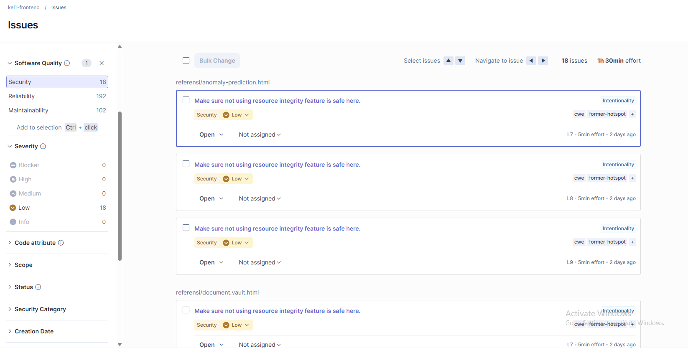 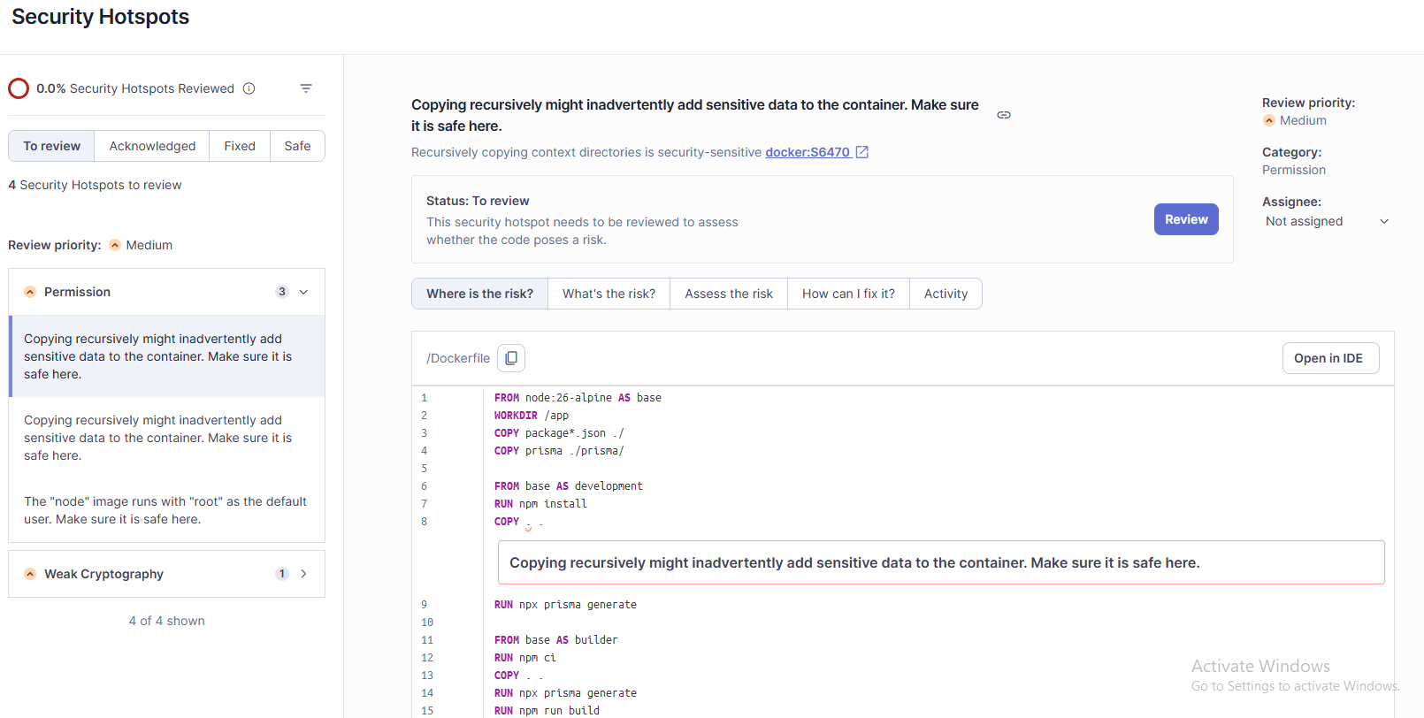 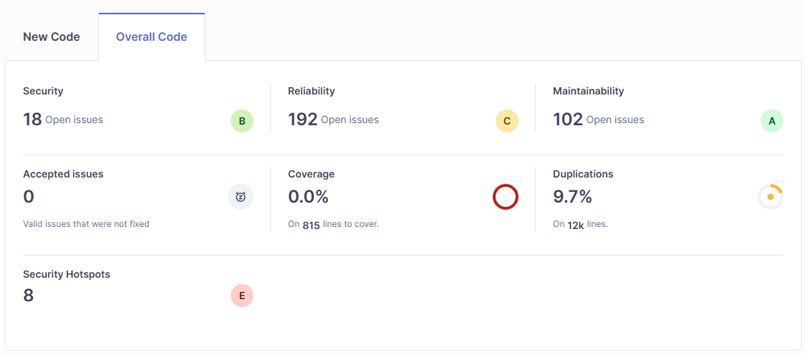 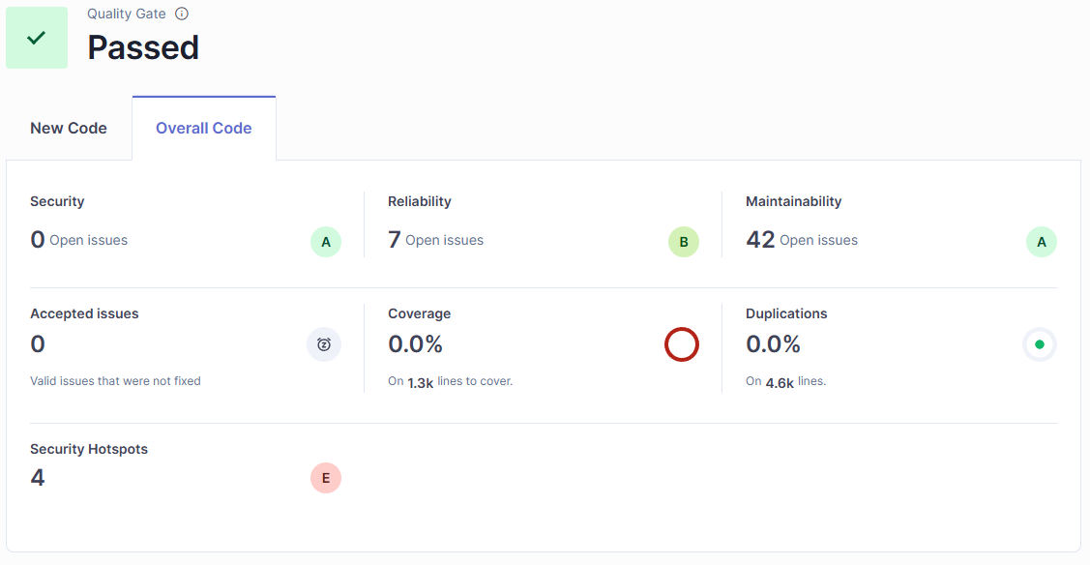 Front-end Back-end | https://docs.google.com/document/d/1kPh9y1CZiLGDRskCpLdKj9e_AMqko0D9/edit?usp=sharing&ouid=104707010513947651417&rtpof=true&sd=true
9 | Security Logging and Alerting Review | A09:2025 | Ensure that security-relevant events (failed logins, access denials, server errors) are logged with sufficient context to track down malicious behavior. Verify logs don't store highly sensitive data (like plaintext passwords). | Splunk, ELK Stack (Elasticsearch, Logstash, Kibana), Wazuh | ➖ N/A | Not applicable
10 | Mishandling of Exceptional Conditions | A10:2025 | Analyze how the application behaves when encountering unhandled exceptions or error states. Ensure the system "fails safely" without crashing, exposing raw stack traces, or bypassing security controls. | Burp Suite, Postman (Fuzzing/Input manipulation), Manual Exception Testing | ➖ N/A | Not applicable

📊 ASSESSMENT SUMMARY
 |  |  | Metric | Count
 |  |  | Total Assessed | 9
 |  |  | ✅ PASS | 0
 |  |  | ❌ FAIL | 1
 |  |  | ⚠️ WARNING | 6
 |  |  | ➖ N/A | 2
 |  |  | Compliance % | 0.0%

Generated: 2026-03-30 11:21 | Security Hardening Checklist v1.0 | Internal Use Only — Confidential

